Basic Report
Trinity Inspections, LLC
P.O. Box 938
Locust, NC 28097
(704) 219-4665

 |  | TRINITY

 |  | Policy Holder: | Enter Name | Adjuster Name: | Dan McComas
 |  | Street: | Enter Address | Insurance Company: | NCFB Insurance
 |  | City/State/Zip: | Fayetteville, NC 28306 | Date: | 7-Oct-2013
 |  | Claim # | HP 5722045 | Time: | 10:00:00

2 |  | GROUND INSPECTION
0 |  | During our ground level walk around inspection of the loss we did not find collateral damage to the following building materials that may be more susceptible to wind or hail:
 |  | Gutters, Downspouts, Screens, Vinyl Siding, Aluminum Fascia, Wood Decking, Fencing Material

 |  | ROOF INSPECTION
 |  | WIND DAMAGE:
 |  | Our wind damage inspection consists of inspecting every roof slope to verify any and all wind damaged components to all types of roofing systems.
0 | (Front) | During our inspection of the Northeast (Front) facing slopes we found 0 wind-damaged shingles.
0 | (Rear) | During our inspection of the Southwest (Rear) facing slopes we found 0 wind-damaged shingles.
0 | (Left) | During our inspection of the Southeast (Left) facing slopes we found 0 wind-damaged shingles.
0 | (Right) | During our inspection of the Northwest (Right) facing slopes we found 0 wind-damaged shingles.

 |  | HAIL DAMAGE:
 |  | Our hail damage inspection consists of looking on all directional slopes for granular displacement on the shingles that are about the size in diameter of a dime supported by mat fracture. These areas of granular displacement must be across the entire directional slope that we are assessing (which is a characteristic of hail damage). We use a 10’ X 10’ test square on all 4 directional slopes to test the statistical average of hail.
0 | (Front) | During our inspection of the Northeast (Front) facing slopes test square there were 0 hail-damaged shingles.
0 | (Rear) | During our inspection of the Southwest (Rear) facing slopes test square there were 0 hail-damaged shingles.
0 | (Left) | During our inspection of the Southeast (Left) facing slopes test square there were 0 hail-damaged shingles.
0 | (Right) | During our inspection of the Northwest (Right) facing slopes test square there were 0 hail-damaged shingles.
2 |  | Metal damage: We also found cosmetic denting to the thin gauge aluminum vents on the roof:
3
 |  | INSPECTION SUMMARY
 |  | We have come to the conclusion that the hail was too small to damage the roofing system. We did not find wind damage to the roofing system. There was mechanical damage from installation present. There were also several thin gauge aluminum vents with cosmetic hail denting. We were able to explain the extent of the damages to the policy holder.

0 | 1 | We have come to the conclusion that the hail was too small to damage the roofing system.
0 | 1 | We did not find wind damage to the roofing system.
1 | 2 | There was mechanical damage from installation present.
2 | 3 | There were also several thin gauge aluminum vents with cosmetic hail denting.
2 | 3 | We were able to explain the extent of the damages to the policy holder.

X |  | WHICH DIRECTIONAL FACE IS NORTH OR NORTHEAST? |  |  | Front

Expert Report PG 1
 |  |  |  |  | Follow These Input Steps: | Inspection Overview Input
 |  |  |  |  | 1 | Stories | 3
TRINITY |  |  |  |  | 2 | Siding | brick
 |  |  |  |  | 3 | Roofing Material | 25-Year 3-Tab shingle
Trinity Inspections, LLC
P.O. Box 938
Locust, NC 28097
 |  |  |  |  | 4 | Policyholder Present? | policyholder's tenant was present and we were
 |  |  |  |  | 5 | Roofer | Jim Roofer
 |  |  |  |  | 6 | Roofing Company | Jim's Company
 |  |  |  |  | 7 | Roofer Climbed? | climbed
 |  |  |  |  | 8 | Agreed with Wind? | agreed
 |  |  |  |  | 9 | Agreed with Hail? | and agreed
Policy Holder Information: |  |  |  |  | 10 | Refused Test Squares | we labeled his findings with RC and took pictures of them - these photos are included at the end of our picture report.
Enter Name |  |  | 10/7/2013 |  | 11 | If you need to edit the cell contents: 1) Click on the cell; 2) Copy the cell; 3) Right-click the cell; 4) Select Paste Special; 5) Select Values and click OK
Enter Address |  |  | 10:00 AM |  | 12 | Save and Print
Fayetteville, NC 28306
Claim #: | HP 5722045
 |  |  |  | Adjuster Information:
Policy Holder Present: |  | #REF! |  | Dan McComas
Contractor Present: |  | #REF! |  | NCFB Insurance

Inspection Overview:
On 10/7/2013, at 10:00 AM an inspection was made of this 3 story, brick sided dwelling with 25-Year 3-Tab shingle roofing material. The policyholder's tenant was present and we were able to explain the extent of the damages present on the property. Jim Roofer with Jim's Company attended for the homeowner and climbed the roof. The roofing contractor agreed with our assessment of wind damage and agreed with our assessment of hail damage.
All opinions expressed in this report are based on factual evidence found at the dwelling listed above, at the date and time of inspection. It is understood by all parties involved that this inspection and report is provided on a “Limited Liability” basis, and the maximum liability by the inspector and/or Trinity Inspections LLC for errors and omissions, negligence, or from damage of surrounding roofing products that may cause any problems, shall be limited to the amount of the fee paid for this inspection.

Anthony Giordano
Owner, Senior Certified Inspector
HAAG Certification # 201006130
NC Adjusters License # 12760239
SC Adjusters License # 625784

Symbol Legend
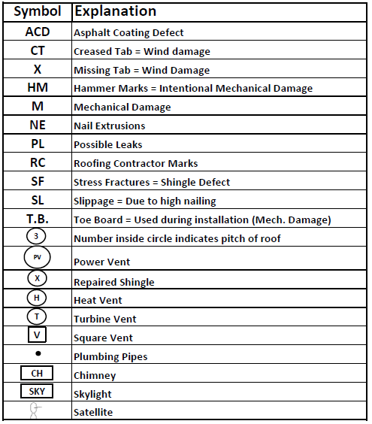
SYMBOL BREAKDOWN

TRINITY

Invoice
 | INVOICE
TRINITY
Trinity Inspections, LLC
P.O. Box 938
Locust, NC 28097
 |  |  |  | Follow These Steps:
 |  |  |  | 1 | Verify the invoice matches the sketch and whether there is interior or more than 2 stories
 |  |  |  | 2 | Print

POLICY HOLDER | CLAIM NUMBER | HP 5722045
Enter Name | DATE | 2013-10-07
Enter Address | ADJUSTER | Dan McComas
Fayetteville, NC 28306 | COMPANY NAME | NCFB Insurance

QUANTITY |  |  | PRICE |  | Invoice Items List
 |  |  |  |  | Basic Inspection Report | $200.00
#N/A |  |  | #N/A |  | Single Story Dwelling Up to a 7 Pitch | $250.00
 |  |  |  |  | Two Story Dwelling Up to a 7 Pitch | $300.00
 |  |  |  |  | Single Story Dwelling Over a 7 Pitch | $350.00
 |  |  |  |  | Two Story Dwelling Over a 7 Pitch | $375.00
 |  |  |  |  | Interior Damage Assessment and Measurements | $50.00
 |  |  |  |  | Licensed Engineer's Report, Inspected By An Engineer. Add this to base price above. | $500.00
 |  |  |  |  | Additional detached structures (base price includes dwelling plus one detached structure) | $50.00
 |  |  |  |  | Any Structure over 70 Squares. | $100.00
 |  |  |  |  | Any Structure over 200 Squares. | $200.00
 |  |  |  |  | Any additional story over 2 Stories. | $100.00
 |  |  |  |  | Additional story | $100.00
 |  |  |  |  | Extra Building (Third) | $50.00
 |  |  |  |  | Extra Building (Fourth) | $50.00
 |  |  |  |  | Extra Building (Fifth) | $50.00
 |  |  |  |  | Extra Building (Sixth) | $50.00
 |  |  |  |  | Multiple Building Discount | -$50.00
 |  |  |  |  | Estimate of Damages | $50.00
 |  |  |  |  | Unused Item | $0.00
 |  |  |  |  | Unused Item | $0.00
Federal EIN: 45-1810535 |  | TOTAL | #N/A |  | Unused Item | $0.00
Make all checks payable to Trinity Inspections LLC THANK YOU FOR YOUR BUSINESS! |  |  |  |  | Unused Item | $0.00
 |  |  |  |  | Unused Item | $0.00
 |  |  |  |  | Unused Item | $0.00

